DADOS
Foto_1 | Dimensão
Vertical_33b4789_20230925_152530.jpg | 3,60x2,50
Vertical_964cb00_20230926_144119.jpg | 4,00x4,00
Vertical_6640296_20230911_160520.jpg | 4,00x4,00
Vertical_964cb00_20230926_133932.jpg | 4,00x4,00
Vertical_964cb00_20230924_101839.jpg | 4,00x4,00
Vertical_4f92869_20231108_084949.jpg | 4,00x4,00
Vertical_e777100_20230902_095035.jpg | 4,00x4,00
Vertical_9790a64_20230930_092523.jpg | 3,50x3,50
Vertical_9790a64_20230930_081729.jpg | 3,00x3,00
Vertical_c70cb94_20230905_143526.jpg | 4,00x4,00
Vertical_21b9d62_20230923_133041.jpg | 4,00x4,00
Vertical_21b9d62_20231002_154801.jpg | 3,00x3,00
Vertical_9790a64_20230930_092714.jpg | 3,50x3,50
Vertical_6640296_20230913_115827.jpg | 4,00x4,00
Vertical_21b9d62_20230928_103053.jpg | 4,00x4,00
Vertical_21b9d62_20230928_095942.jpg | 2,00x1,00
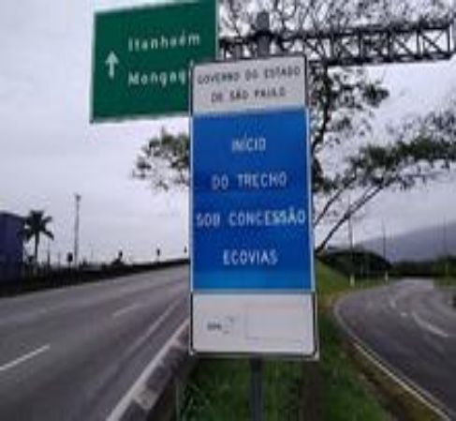 Vertical_21b9d62_20230928_100921.jpg | 2,00x1,00
Vertical_21b9d62_20230928_094911.jpg | 4,00x4,00
Vertical_21b9d62_20230927_085215.jpg | 4,00x4,00
Vertical_21b9d62_20230927_083931.jpg | 4,00x4,00
Vertical_0088452_20230928_101218.jpg | 4,00x4,00
Vertical_0088452_20230928_100430.jpg | 4,00x4,00

